Task4
 | Segment | Month | Amount
0 | Normal Salary | January-2004 | 22394595
1 | Normal Salary | February-2004 | 2841896
2 | Salaried_Pvt | March-2004 | 1277308
3 | Salaried_MNC | April-2004 | 2262438
4 | Govt | May-2004 | 1593276
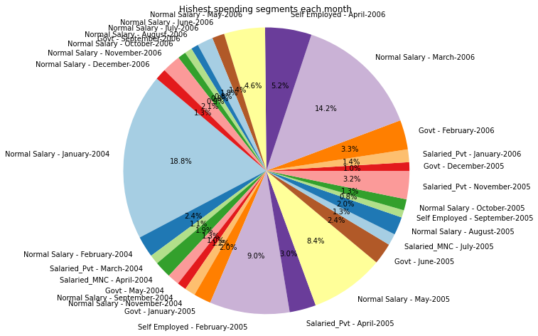
5 | Normal Salary | September-2004 | 1212599
6 | Normal Salary | November-2004 | 1431529
7 | Govt | January-2005 | 2323803
8 | Self Employed | February-2005 | 10745033
9 | Salaried_Pvt | April-2005 | 3558552
10 | Normal Salary | May-2005 | 9952875
11 | Govt | June-2005 | 2876111
12 | Salaried_MNC | July-2005 | 1557177
13 | Normal Salary | August-2005 | 2417785
14 | Self Employed | September-2005 | 988659
15 | Normal Salary | October-2005 | 1487898
16 | Salaried_Pvt | November-2005 | 3777193
17 | Govt | December-2005 | 1169055
18 | Salaried_Pvt | January-2006 | 1710222
19 | Govt | February-2006 | 3956979
20 | Normal Salary | March-2006 | 16877931
21 | Self Employed | April-2006 | 6241180
22 | Normal Salary | May-2006 | 5510277
23 | Normal Salary | June-2006 | 1643948
24 | Normal Salary | July-2006 | 2130229
25 | Normal Salary | August-2006 | 980753
26 | Govt | September-2006 | 998110
27 | Normal Salary | October-2006 | 1093330
28 | Normal Salary | November-2006 | 2485723
29 | Normal Salary | December-2006 | 1510011

Task5
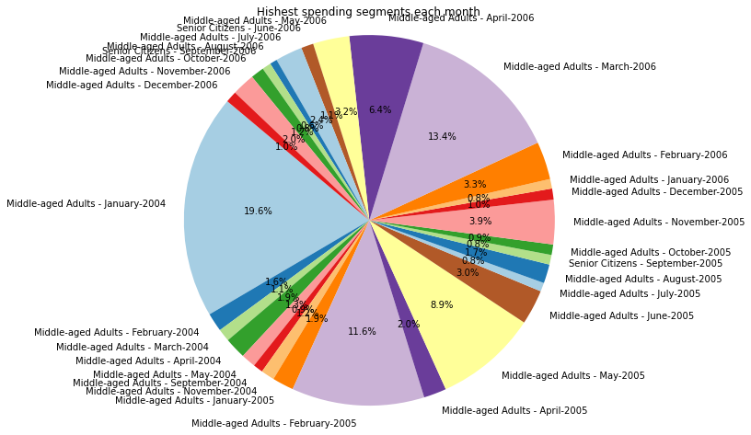
 | Age Group | Month | Amount
0 | Middle-aged Adults | January-2004 | 36420452
1 | Middle-aged Adults | February-2004 | 3017881
2 | Middle-aged Adults | March-2004 | 2053377
3 | Middle-aged Adults | April-2004 | 3467275
4 | Middle-aged Adults | May-2004 | 2357354
5 | Middle-aged Adults | September-2004 | 1584260
6 | Middle-aged Adults | November-2004 | 2187926
7 | Middle-aged Adults | January-2005 | 3467565
8 | Middle-aged Adults | February-2005 | 21517642
9 | Middle-aged Adults | April-2005 | 3685015
10 | Middle-aged Adults | May-2005 | 16644973
11 | Middle-aged Adults | June-2005 | 5657122
12 | Middle-aged Adults | July-2005 | 1419992
13 | Middle-aged Adults | August-2005 | 3070327
14 | Senior Citizens | September-2005 | 1561269
15 | Middle-aged Adults | October-2005 | 1699229
16 | Middle-aged Adults | November-2005 | 7199447
17 | Middle-aged Adults | December-2005 | 1800423
18 | Middle-aged Adults | January-2006 | 1548286
19 | Middle-aged Adults | February-2006 | 6142033
20 | Middle-aged Adults | March-2006 | 24941020
21 | Middle-aged Adults | April-2006 | 11975951
22 | Middle-aged Adults | May-2006 | 5903743
23 | Senior Citizens | June-2006 | 1994740
24 | Middle-aged Adults | July-2006 | 4399843
25 | Middle-aged Adults | August-2006 | 1179002
26 | Senior Citizens | September-2006 | 1435285
27 | Middle-aged Adults | October-2006 | 2152245
28 | Middle-aged Adults | November-2006 | 3710974
29 | Middle-aged Adults | December-2006 | 1841883

Task6
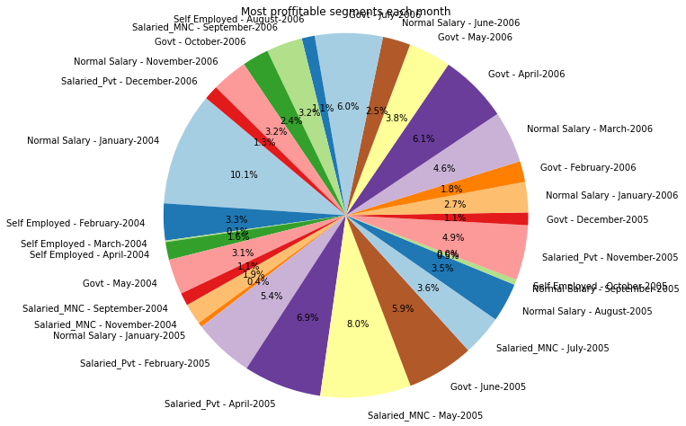
 | Segment | Month | Profit
0 | Normal Salary | January-2004 | 2408130
1 | Self Employed | February-2004 | 782684
2 | Self Employed | March-2004 | 33346
3 | Self Employed | April-2004 | 377516
4 | Govt | May-2004 | 747959
5 | Salaried_MNC | September-2004 | 272565
6 | Salaried_MNC | November-2004 | 445523
7 | Normal Salary | January-2005 | 95736
8 | Salaried_Pvt | February-2005 | 1289508
9 | Salaried_Pvt | April-2005 | 1652050
10 | Salaried_MNC | May-2005 | 1921428
11 | Govt | June-2005 | 1423353
12 | Salaried_MNC | July-2005 | 862831
13 | Normal Salary | August-2005 | 827664
14 | Normal Salary | September-2005 | 113445
15 | Self Employed | October-2005 | 2025
16 | Salaried_Pvt | November-2005 | 1165517
17 | Govt | December-2005 | 267741
18 | Normal Salary | January-2006 | 645010
19 | Govt | February-2006 | 441658
20 | Normal Salary | March-2006 | 1100097
21 | Govt | April-2006 | 1461714
22 | Govt | May-2006 | 904480
23 | Normal Salary | June-2006 | 587997
24 | Govt | July-2006 | 1439370
25 | Self Employed | August-2006 | 275088
26 | Salaried_MNC | September-2006 | 765140
27 | Govt | October-2006 | 563078
28 | Normal Salary | November-2006 | 760783
29 | Salaried_Pvt | December-2006 | 304131

Task7
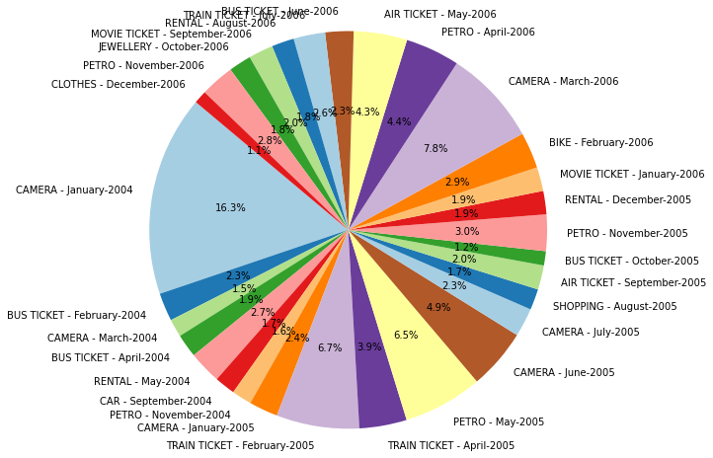
 | Type | Month | Amount
0 | CAMERA | January-2004 | 14644502
1 | BUS TICKET | February-2004 | 2051643
2 | CAMERA | March-2004 | 1308173
3 | BUS TICKET | April-2004 | 1705406
4 | RENTAL | May-2004 | 2390532
5 | CAR | September-2004 | 1503815
6 | PETRO | November-2004 | 1453271
7 | CAMERA | January-2005 | 2108909
8 | TRAIN TICKET | February-2005 | 6041679
9 | TRAIN TICKET | April-2005 | 3456029
10 | PETRO | May-2005 | 5794860
11 | CAMERA | June-2005 | 4418063
12 | CAMERA | July-2005 | 2090935
13 | SHOPPING | August-2005 | 1525402
14 | AIR TICKET | September-2005 | 1772252
15 | BUS TICKET | October-2005 | 1037811
16 | PETRO | November-2005 | 2657720
17 | RENTAL | December-2005 | 1701078
18 | MOVIE TICKET | January-2006 | 1746835
19 | BIKE | February-2006 | 2636012
20 | CAMERA | March-2006 | 6977800
21 | PETRO | April-2006 | 3958966
22 | AIR TICKET | May-2006 | 3894931
23 | BUS TICKET | June-2006 | 2062148
24 | TRAIN TICKET | July-2006 | 2305288
25 | RENTAL | August-2006 | 1636189
26 | MOVIE TICKET | September-2006 | 1792551
27 | JEWELLERY | October-2006 | 1643753
28 | PETRO | November-2006 | 2473711
29 | CLOTHES | December-2006 | 944862

